ESP8266 Pins
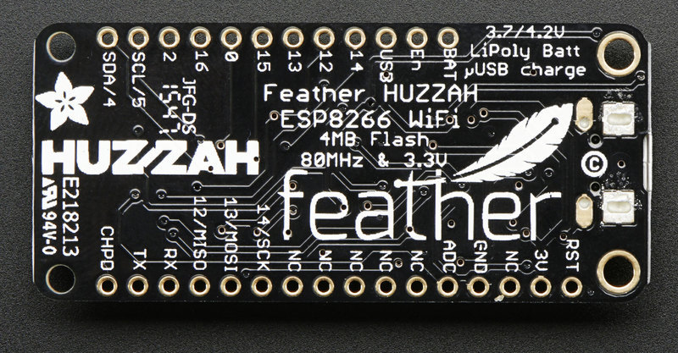
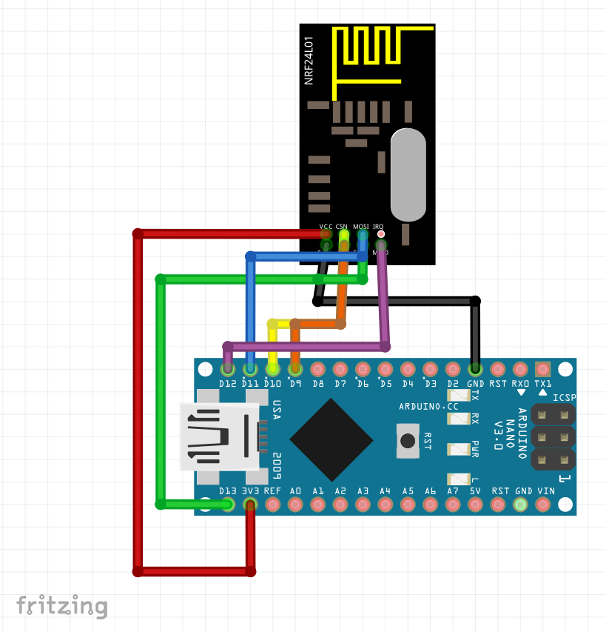
Adafruit HUZZAH ESP8266 Feather
Pin | Connected to | Notes | Discrete switches | 5 | 4.95 | 24.75
BAT | Connected via JST header | +ve from Lipo | Power switch | 1 | 4.95 | 4.95
EN | Power switch (NO) | GND to disable 3.3V regulator | Power LED | 1 | 0 | 0
USB | Not connected | +ve from USB | NFR24L01 | 1 |  | 0
14 | NRF24L01 PIN 5 / SCK | SPI SCK (reserved) | PCF8574 GPIO | 1 | 5.42 | 5.42
12 | NRF24L01 PIN 7 / MISO | SPI MISO (reserved) | Duratech Enclosure | 1 | 24.95 | 24.95
13 | NRF24L01 PIN 6 / MOSI | SPI MOSI (reserved) | LIPO 1000MA | 1 |  | 0
15 | NRF24L01 PIN 3 / CE | Bootloader / Output Only | Antenna | 1 |  | 0
0 | LED | Bootloader / Output Only | SMA Panel Mount | 1 |  | 0
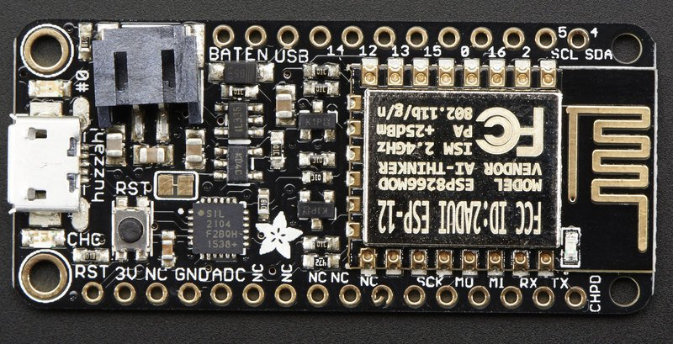
16 | NRF24L01 PIN 4 / CSN | Can be tied to RST for deep sleep | SMA Pigtail | 1 |  | 0
2 | Spare | Bootloader / Output Only | Display | 1 |  | 0 | 24.384
5 | PCF8574 PIN SDA | I2C SDA
4 | PCF8574 PIN SCL | I2C SCL
 |  |  |  |  |  | 60.07
RST | Reserved for reset | Pulled high / ground to reset
3V | 3V Rail | 3.3V up to 500mA (250mA is required for ESP8266)
NC | Not connected
GND | GND Rail | Common
ADC | Spare | 1V maximum
NC | Not connected
NC | Not connected
NC | Not connected
NC | Not connected
NC | Not connected
SCK | NRF24L01 | (Reserved)
MO | NRF24L01 | (Reserved)
MI | NRF24L01 | (Reserved)
RX | Reserved for USB | 5V Input
TX | Reserved for USB | 3V3 Output
CH_PD | Reserved for system | Pulled high / ground to reset

PCF8574 GPIO Expander
Pin | Connected to | Notes
VCC | ESP8266 3V | 3.3V up to 500mA (250mA is required for ESP8266)
GND | ESP8266 GND | Common
SDA | ESP8266 PIN 4 | I2C SCL
SCL | ESP8266 PIN 5 | I2C SDA

GND | GND Rail | Common
1 | Switch 1 | Score1+ (Momentary / NO)
2 | Switch 2 | Score1- (Momentary / NO)
3 | Switch 3 | Score2+ (Momentary / NO)
4 | Switch 4 | Score2+ (Momentary / NO)
5 | Power LED 1 | Red
6 | RGB LED 1 | Red
7 | RGB LED 1 | Green
8 | RGB LED 1 | Blue

NRFL2401+ PA
Pin | Connected to | Notes
1 | ESP8266 GND | Common
2 | ESP8266 3V | 3.3V up to 500mA (250mA is required for ESP8266)
3 | ESP8266 PIN 15 / CE | CE
4 | ESP8266 PIN 16 / CSN | CSN
5 | ESP8266 PIN 14 / SCK | SCK
6 | ESP8266 PIN 13 / MISO | MOSI
7 | ESP8266 PIN 12 / MISO | MISO
8 | Not used | IRQ

